Sheet1
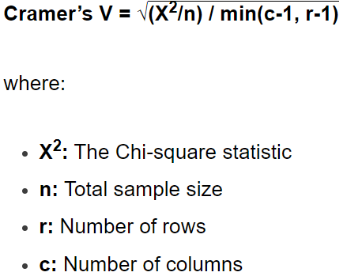
 | Pass | Fail | Total
Method 1 | 7 | 12 | 19
Method 2 | 9 | 8 | 17
Total | 16 | 20 | 36

Expected | 8.44 | 10.56
 | 7.56 | 9.44

(O-E)^2/E | 0.25 | 0.20
 | 0.28 | 0.22

X^2 | 0.9418
min(c-1,r-1) | 1
n | 36
Cramer's V | 0.1617

 |  |  | Convection | Stratifrorm
 |  | SHY95
 |  | SVM

